Статистика
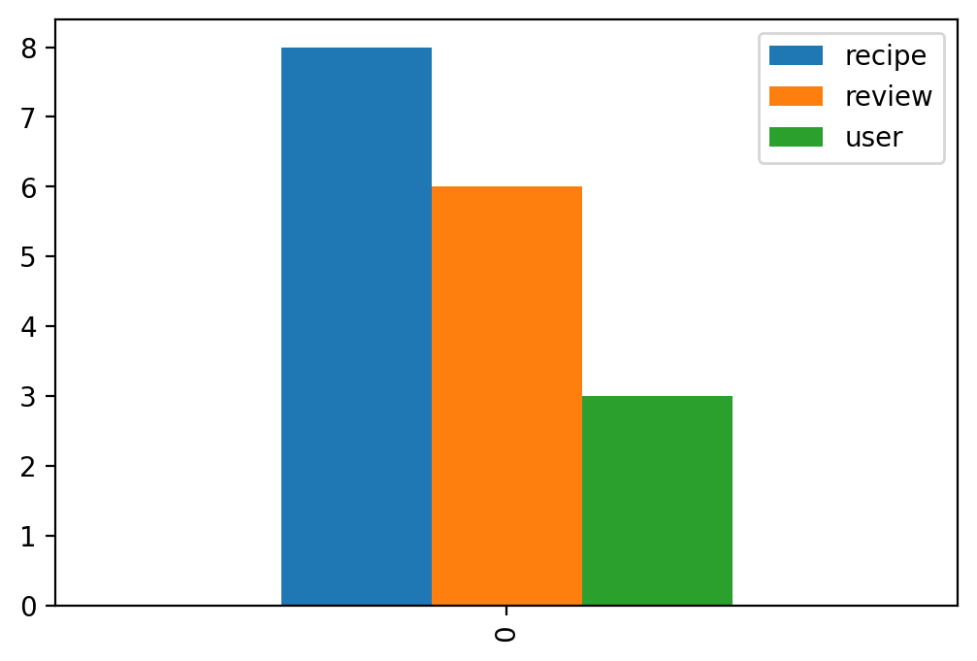
recipe | review | user
8 | 6 | 3

